C32 CAT ENGINE
PT SAPTAINDRA SEJATI
NAROGONG REBUILD CENTER

DELIVERY INSPECTION |  |  |  | MACHINE MODEL | CAT 777E | INSP. DATE |  |  |  | DOCUMENT NO.
CHECK SHEET |  |  |  | COMP. MODEL | ENGINE | PART ASSY NO. |  |  |  | PUBL. DATE
CATERPILLAR ENGINE C32 |  |  |  | DELIVERY DATE |  | COMP. S/N |  | DLT00682 |  | REVISION NO. |  | 00
 |  |  |  | CUSTOMER NAME | PT SIS ADMO | JOB NO. |  | 2600006969 |  | PAGE |  | 1 of 1

: GOOD CONDITION
X : BAD CONDITION ⊗ : NONE
BELOW ARE THE ITEMS RELATED TO DELIVERY INSPECTION AND WHILE YOU DOING THIS INSPECTION JOB, PLEASE REFERRING
TO THE REMANUFACTURED COMPONENTS - STANDARD CONFIGURATION.

SKETCH DRAWING OR PHOTOES |  |  |  |  |  | NO. | ITEM |  |  | CHECK | REMARKS
3
2
RIGHT SIDE VIEW
1
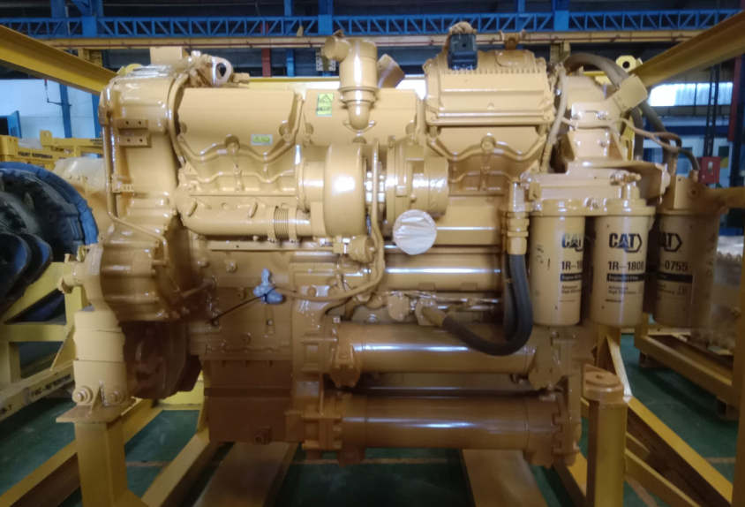
4
5
10
 |  |  |  |  |  | 1 | Name Plate
 |  |  |  |  |  | 2 | RH Turbocharge
 |  |  |  |  |  | 3 | RH Breather
6
 |  |  |  |  |  | 4 | ECM (Electronic Control Modul)
 |  |  |  |  |  | 5 | Engine Oil Filter
9
 |  |  |  |  |  | 6 | Engine Mopunting Bolt
 |  |  |  |  |  | 7 | Engine Oil Cooler
8
7
 |  |  |  |  |  | 8 | Engine Oil Drain
LEFT SIDE VIEW
12
 |  |  |  |  |  | 9 | Engine Mounting Bolt
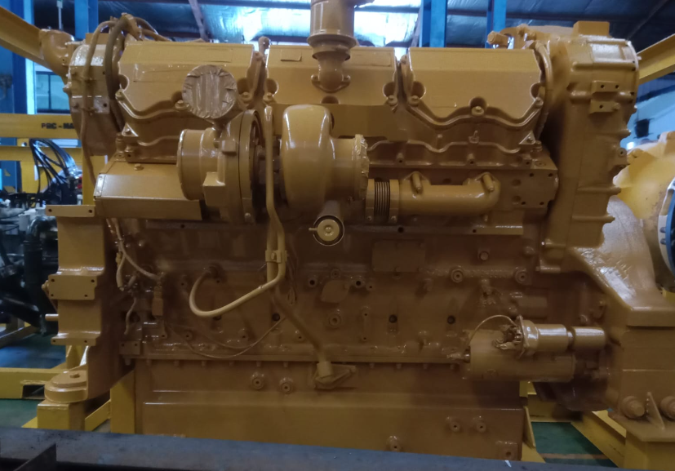
 |  |  |  |  |  | 10 | RH Turbo Hose Oil Return
11
13
 |  |  |  |  |  | 11 | LH Turbocharger
 |  |  |  |  |  | 12 | Valve Rocker Arm Cover
14
 |  |  |  |  |  | 13 | Starting Motor
 |  |  |  |  |  | 14 | LH Breather
 |  |  |  |  |  | 15 | LH Turbo Hose Oil Return
15
 |  |  |  |  |  | 16 | Cover Rear Gear
 |  |  |  |  |  | 17 | Flywheel Cover Plastic
REAR VIEW
 |  |  |  |  |  | 18 | Cover Rear Gear
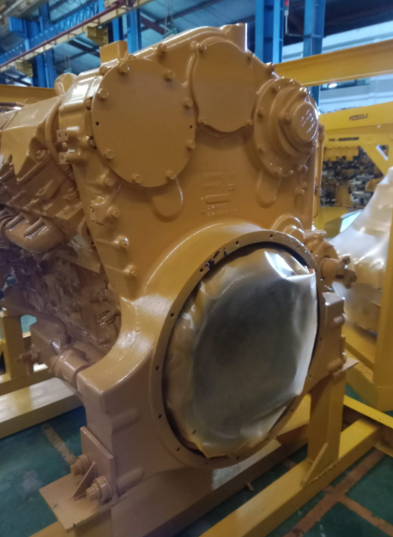
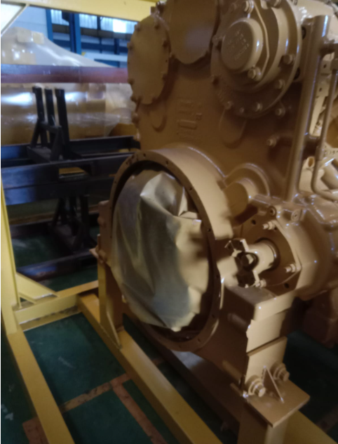
 |  |  |  |  |  | 19 | PTO Flange
16
 |  |  |  |  |  | 20 | Output Elbow Radiator Water
 |  |  |  |  |  | 21 | Front Damper
18
 |  |  |  |  |  | 22 | Input Radiator Water
 |  |  |  |  |  | 23 | Fuel Filter
 |  |  |  |  |  | 24 | Fuel Hose
 |  |  |  |  |  | 25 | Front Engine Lifting

17
19

25
FRONT VIEW
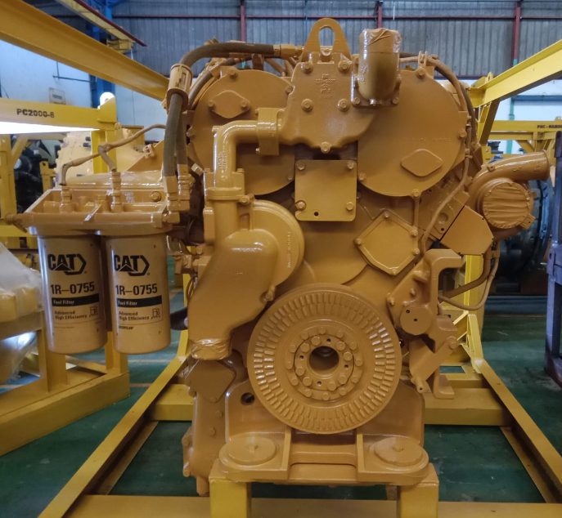
20

24

23
21
22

NOTE : | PLEASE MARK " |  | " FOLLOWING TO THE ACTUAL CONDITION
OIL LEVEL |  | EMPTY OR DRAINED
 |  | PROPER LEVEL

: GOOD CONDITION
X : BAD CONDITION ⊗ : NONE
 |  |  |  |  |  |  |  |  | Narogong, 13 Desember 2024

 | Inspected by, |  |  |  |  |  |  |  |  | Approved by,


 | Dwi Endro P |  |  |  |  |  |  |  |  | Ahnmad Mustopa

